HK I&E Projection
2007-2017:(Transposed from) History data |  |  |  |  |  |  |  |  |  |  |  |  | 2018 onward, Production, Import, export & Consumption are obtained from Trending, System loss rate is fix at the average level of 2007-2017
 | Year | 2007 | 2008 | 2009 | 2010 | 2011 | 2012 | 2013 | 2014 | 2015 | 2016 | 2017 | 2018 | 2019 | 2020 | 2021 | 2022 | 2023 | 2024 | 2025 | 2026 | 2027 | 2028 | 2029 | 2030 | 2031 | 2032 | 2033 | 2034 | 2035 | 2036 | 2037 | 2038 | 2039 | 2040 | 2041 | 2042 | 2043 | 2044 | 2045 | 2046 | 2047 | 2048 | 2049 | 2050
 | Electricity generated at local plants | 140212 | 136765 | 139420 | 137850 | 140495 | 139506 | 140628 | 143291 | 136525 | 137356 | 132902 | 136894.21818 | 136604.61818 | 136315.01818 | 136025.41818 | 135735.81818 | 135446.21818 | 135156.61818 | 134867.01818 | 134577.41818 | 134287.81818 | 133998.21818 | 133708.61818 | 133419.01818 | 133129.41818 | 132839.81818 | 132550.21818 | 132260.61818 | 131971.01818 | 131681.41818 | 131391.81818 | 131102.21818 | 130812.61818 | 130523.01818 | 130233.41818 | 129943.81818 | 129654.21818 | 129364.61818 | 129075.01818 | 128785.41818 | 128495.81818 | 128206.21818 | 127916.61818 | 127627.01818
 | Imports of electricity from the mainland of China | 37233 | 38883 | 39468 | 37838 | 38646 | 40160 | 35889 | 37038 | 42272 | 41835 | 45274 | 42561.527273 | 43071.236364 | 43580.945455 | 44090.654545 | 44600.363636 | 45110.072727 | 45619.781818 | 46129.490909 | 46639.2 | 47148.909091 | 47658.618182 | 48168.327273 | 48678.036364 | 49187.745455 | 49697.454545 | 50207.163636 | 50716.872727 | 51226.581818 | 51736.290909 | 52246 | 52755.709091 | 53265.418182 | 53775.127273 | 54284.836364 | 54794.545455 | 55304.254545 | 55813.963636 | 56323.672727 | 56833.381818 | 57343.090909 | 57852.8 | 58362.509091 | 58872.218182
 | System Loss | 15847 | 15514 | 16089 | 15590 | 17064 | 18139 | 17376 | 17948 | 16441 | 16352 | 15744 | 16674.020714 | 16694.472015 | 16714.923316 | 16735.374618 | 16755.825919 | 16776.277221 | 16796.728522 | 16817.179824 | 16837.631125 | 16858.082426 | 16878.533728 | 16898.985029 | 16919.436331 | 16939.887632 | 16960.338933 | 16980.790235 | 17001.241536 | 17021.692838 | 17042.144139 | 17062.59544 | 17083.046742 | 17103.498043 | 17123.949345 | 17144.400646 | 17164.851948 | 17185.303249 | 17205.75455 | 17226.205852 | 17246.657153 | 17267.108455 | 17287.559756 | 17308.011057 | 17328.462359
 | Exports of electricity to the mainland of China | 14527 | 12789 | 13432 | 9392 | 10645 | 6617 | 5940 | 4414 | 4273 | 4338 | 4828 | 4068.6 | 3838.6 | 3608.6 | 3378.6 | 3148.6 | 2918.6 | 2688.6 | 2458.6 | 2228.6 | 1998.6 | 1768.6 | 1538.6 | 1308.6 | 1078.6 | 848.6 | 618.6 | 388.6 | 158.6 | -71.4 | -301.4 | -531.4 | -761.4 | -991.4 | -1221.4 | -1451.4 | -1681.4 | -1911.4 | -2141.4 | -2371.4 | -2601.4 | -2831.4 | -3061.4 | -3291.4
 | Local electricity consumption, as measured at meter points | 147072 | 147345 | 149366 | 150705 | 151432 | 154911 | 153201 | 157967 | 158083 | 158500 | 157604 | 160910.94545 | 162181.16364 | 163451.38182 | 164721.6 | 165991.81818 | 167262.03636 | 168532.25455 | 169802.47273 | 171072.69091 | 172342.90909 | 173613.12727 | 174883.34545 | 176153.56364 | 177423.78182 | 178694 | 179964.21818 | 181234.43636 | 182504.65455 | 183774.87273 | 185045.09091 | 186315.30909 | 187585.52727 | 188855.74545 | 190125.96364 | 191396.18182 | 192666.4 | 193936.61818 | 195206.83636 | 196477.05455 | 197747.27273 | 199017.49091 | 200287.70909 | 201557.92727
 | Import's ratio in consumption | 25.3% | 26.4% | 26.4% | 25.1% | 25.5% | 25.9% | 23.4% | 23.4% | 26.7% | 26.4% | 28.7% | 26.5% | 26.6% | 26.7% | 26.8% | 26.9% | 27.0% | 27.1% | 27.2% | 27.3% | 27.4% | 27.5% | 27.5% | 27.6% | 27.7% | 27.8% | 27.9% | 28.0% | 28.1% | 28.2% | 28.2% | 28.3% | 28.4% | 28.5% | 28.6% | 28.6% | 28.7% | 28.8% | 28.9% | 28.9% | 29.0% | 29.1% | 29.1% | 29.2%
HK: History(solid) and Projected(dotted) Elec Data
 |  |  |  |  |  |  |  |  |  |  |  |  | How to make projections for future Electricity Import&Export:

 |  |  |  |  |  |  |  |  |  |  |  |  | 1. Observations
 |  |  |  |  |  |  |  |  |  |  |  |  |  |  |  |  | Import | Export
 |  |  |  |  |  |  |  |  |  |  |  |  | 1) Average growth rate in 2007-2017 |  |  |  | 2.0% | -10.4%
 |  |  |  |  |  |  |  |  |  |  |  |  | 2) Facts: The HK's electricity imports have generally growing trend, while the exports decreasing.

 |  |  |  |  |  |  |  |  |  |  |  |  | 2.WWF's advocation
 |  |  |  |  |  |  |  |  |  |  |  |  | WWF proposes the imported RE from China to make up ~55% in HK's 2050 electricity mix
 |  |  |  |  |  |  |  |  |  |  |  |  | While by extrapolating the 200-2017 trend of imported amount, we get 58872.2/127627，≈ |  |  |  |  |  |  |  |  | 46%
 |  |  |  |  |  |  |  |  |  |  |  |  |  | Since this percentage is in accord with and also a little bit smaller than WWF's projection, I primarily adopt this Trending method for Import Projection.
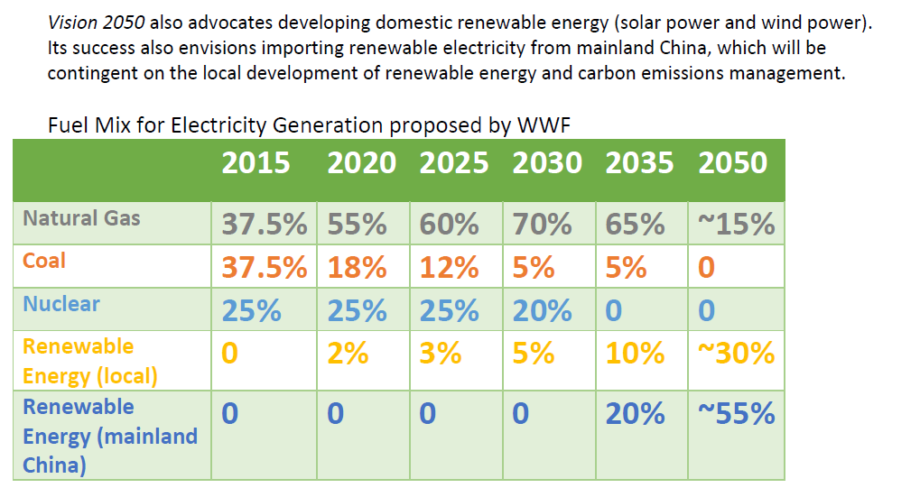

HK: History(solid) and Projected(dotted) Elec Data

 |  |  |  |  |  |  |  |  |  |  |  |  | 3. For export, I didn't find useful information, and therefore I just use the Trend function as well.
 |  |  |  |  |  |  |  |  |  |  |  |  | Note: | Export could be projected by :Produce+Import-Consumption-System Loss, but this method would results in large negative value.
 |  |  |  |  |  |  |  |  |  |  |  |  |  |  | Perhaps the projections of Electricity Generation(by trending, it's decreasing) & Consumption need adjustments.
 |  |  |  |  |  |  |  |  |  |  |  |  |  | Note that the current export amouts projected by trending will also decrease to below zero, therefore, I use 0 to replace the negative numbers in the final datasheet" ElaE-BEE".

